Welder Nirmal B1
 | Welding Technician - Nirmal Industrial Training Centre, Hoshiarpur (Batch-1)

 | Date of Start |  | 12.08.2013
 | Date of Completion |  | 08.11.2013

S.No. | Name of the Candidate | Father's Name | Address | Contact No. | Category with proof of caste certificate BPL/ Aadhar Card etc. | EWS Status Proof (Parents Income Certificate) | Qualification | Trade | Photo | Employment Status | Employers Name & Address | Monthly Remuneration (Rs.)
1 | Raman Kumar | Shri Sham Singh | VPO Mehlan Wali, Distt. Hoshiarpur | 94788-68614 | EWS | Issued by Sarpanch | 10th | Welder
2 | Baljinder Singh | Shri Jarnail Singh | Vill. Mirzapur, PO Kotila Naudh Singh, Hoshiarpur | 84375-45126 | EWS | Issued by Sarpanch | 10th | Welder
3 | Sanjeev Kumar | Shri Darshan Ram | VPO Dada, Distt. Hoshiarpur | 89685-86177 | SC (Certificate of SC issued by Tehsildar cum Executive Magistrate) | Issued by Sarpanch | 10th | Welder
4 | Naveen Kochar | Shri Pawan Kumar Kochar | Commati Bazar, Hoshiarpur | 94173-62968 | EWS | Issued by Sarpanch | 10th | Welder |  | Wage Employed | Guru Nanak Welding, Hoshiarpur. Mob.: 9464149846 | 6,000
5 | Lovedeep Singh | Shri Malkit Singh | VPO Dudiana Khurd, Hoshiarpur | 98556-34997 | SC (Certificate of SC issued by Tehsildar cum Executive Magistrate) | Issued by Sarpanch | 10th | Welder
6 | Avnish Kumar | Shri Chaman Lal | Vill Bassi Bahia, PO Jahan Khela, Hoshiaprur | 94659-23124 | SC (Certificate of SC issued by Tehsildar cum Executive Magistrate) | Issued by Sarpanch | 10th | Welder
7 | Sandeep Kumar | Shri Sukhdev Singh | VPO Duduana Khurd, Hoshiarpur | 84378-71856 | SC (Certificate of SC issued by Tehsildar cum Executive Magistrate) | Issued by Sarpanch | 10th | Welder | 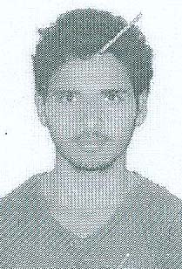
8 | Ashwani Banga | Shri Somnath Banga | VPO Mehlan Wali, Distt. Hoshiarpur | 99880-66774 | SC (Certificate of SC issued by Tehsildar cum Executive Magistrate) | Issued by Sarpanch | 10th | Welder
9 | Pawan Kumar | Shri Jagdish Ram | Vill Kantian, PO Bhikhowal, Distt. Hoshiarpur | 81462-85656 | SC (Certificate of SC issued by Tehsildar cum Executive Magistrate) | Issued by Sarpanch | 10+2 | Welder | 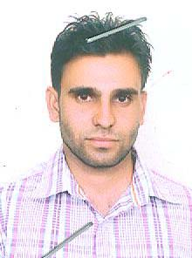 | Wage Employed | Dhami Welding Works, Hoshiarpur | 6,500
10 | Rajat Talwar | Shri Ram Saroop | VPO Bassi Purani, Hoshiarpur | 99145-20916 | OBC (Certificate of OBC issued by Tehsildar cum Executive Magistrate) | Issued by Sarpanch | 10+2 | Welder | 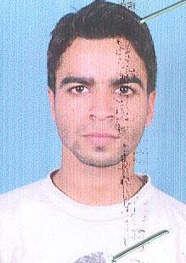 | Wage Employed | Guru Nanak Welding, Hoshiarpur | 6,000
11 | Sunil Kumar | Shri Balwinder Singh | VPO Kandhali Narangpur, Distt. Hoshiarpur | 94632-82162 | OBC (Certificate of OBC issued by Tehsildar cum Executive Magistrate) | Issued by Sarpanch | 10+2 | Welder |  | Wage Employed | Guru Nanak Welding, Hoshiarpur | 6,000
12 | Simranjit Singh | Shri Ravinder Singh | VPO Tanuli, Distt. Hoshiarpur | 76964-31788 | EWS | Issued by Sarpanch | 10+2 | Welder | 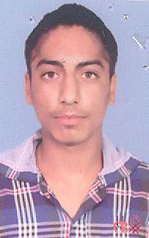 | Wage Employed | Sharma Welding Works, Hoshiarpur | 6,000
13 | Darshpreet Singh | Shri Surjeet Singh | VPO Kandhali Narangpur, Distt. Hoshiarpur | 94632-82162 | EWS | Issued by Sarpanch | 10+2 | Welder | 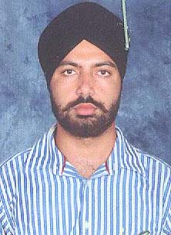 | Wage Employed | Guru Nanak Welding, Hoshiarpur | 4,500
14 | Atul | Shri Gulshan Kumar | H.No. 33, W.No.10, Kainthan, Dasuya, Distt. Hoshiarpur | 80544-32539 | OBC (Certificate of OBC issued by Tehsildar cum Executive Magistrate) | Issued by Municipal Councilor | 10+2 | Welder | 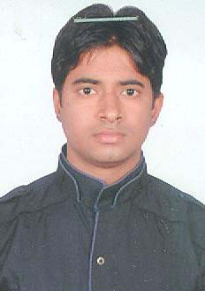 | Wage Employed | Guru Nanak Welding, Hoshiarpur | 4,500
15 | Inderjeet | Shri Gurmail | Vill. Maruli Brahamna, PO Bassi Daulat Khan, Distt. Hoshiarpur | 94647-39239 | SC (Certificate of SC issued by Tehsildar cum Executive Magistrate) | Issued by Sarpanch | 10th | Welder | 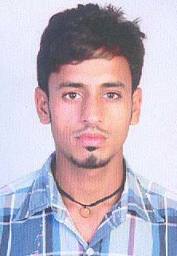 | Wage Employed | Guru Nanak Welding, Hoshiarpur | 6,000
16 | Gurpreet Singh | Shri Bhajan Singh | H.No. 86, Model Colony, Hoshiarpur | 94641-22406 | EWS | Issued by Municipal Councilor | 10th | Welder | 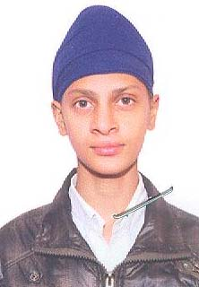 | Wage Employed | Dhami Welding Works, Hoshiarpur | 6,500
17 | Gurmukh Singh | Shri Surjit Singh | VPO Sataur, Distt. Hoshiarpur | 98559-81491 | EWS | Issued by Sarpanch | 10th | Welder | 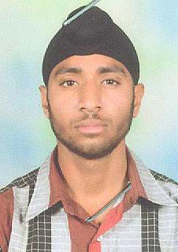 | Wage Employed | Dhami Welding Works, Hoshiarpur. Mob.: 9464149846 | 4,500
18 | Inderjit Singh | Shri Nazar Singh | VPO Khadiala Sainia, Distt. Hoshiarpur | 84316-18404 | SC (Certificate of SC issued by Tehsildar cum Executive Magistrate) | Issued by Sarpanch | 10+2 | Welder | 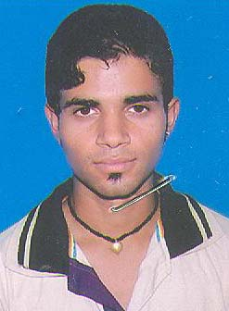
19 | Kamaljeet Singh | Shri Tehal Singh | H.No.67, W.No. 8, VPO Sham Churasi, Distt. Hoshiarpur | 73551-01506 | OBC (Certificate of OBC issued by Tehsildar cum Executive Magistrate) | Issued by Municipal Councilor | 10+2 | Welder | 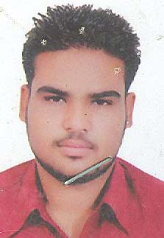 | Wage Employed | Sharma Welding Works, Hoshiarpur | 6,000
20 | Barinder Kumar | Shri Joginder Singh | VPO Bajwara, Distt. Hoshiarpur | 98153-43952 | OBC (Certificate of OBC issued by Tehsildar cum Executive Magistrate) | Issued by Sarpanch | 10+2 | Welder | 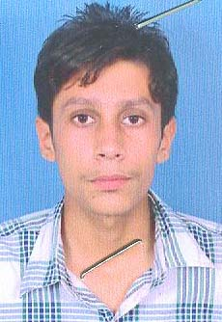 | Wage Employed | Dhami Welding Works, Hoshiarpur | 4,500

